Instructions
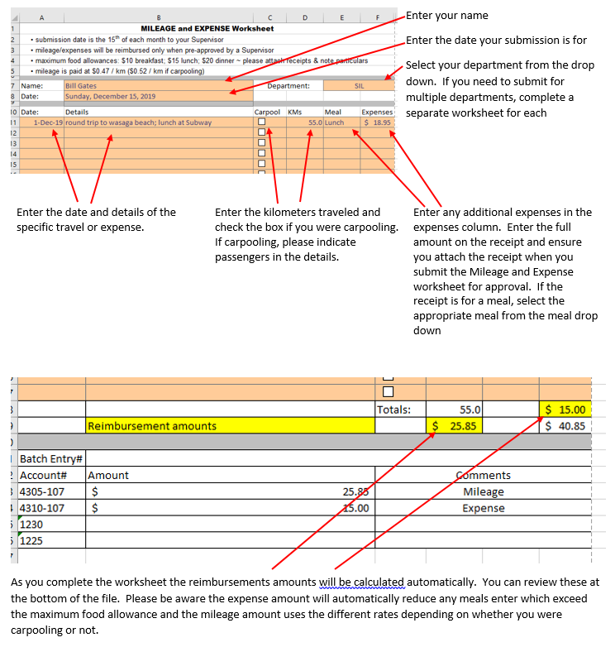
Complete the Travel and Expense worksheet, ensuring that each field is filled out correctly as per the instructions posted below.

